Debugging
For another job I was appliying for, they were using Workday. I sent in a sample QA file to explain issues I saw.

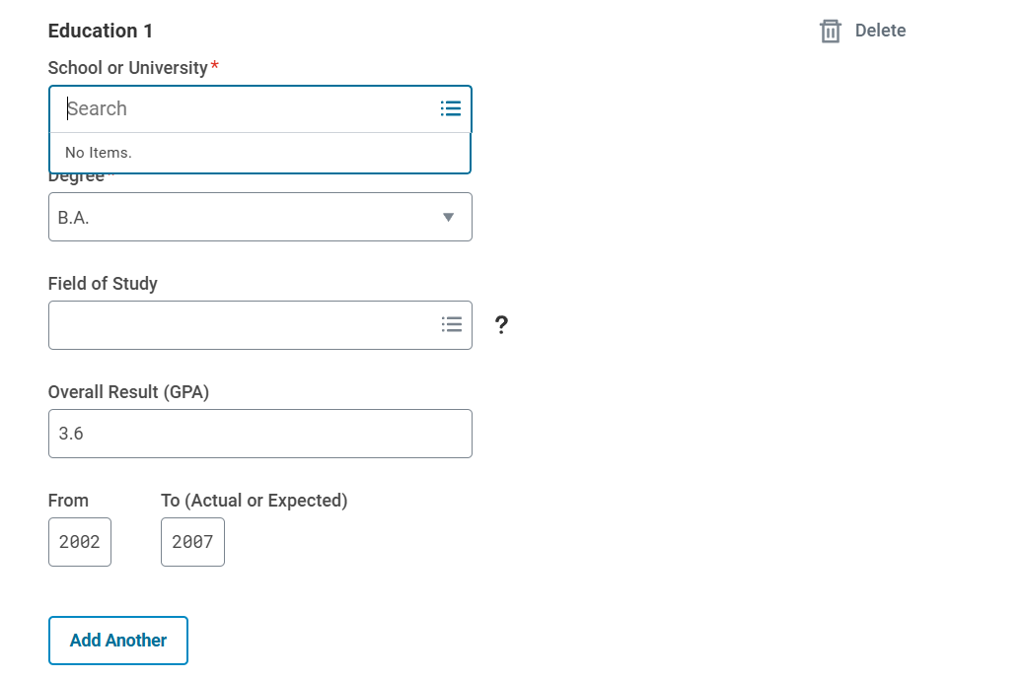
I would have filled out this section, but the Workday configuration used does not allow a user to manual input a school, nor could it find Armstrong or Georgia Southern in the pre-populated drop-down menu.

Also, the Field of Study box is lack my degree of Information Systems. An entry for Other would be nice.

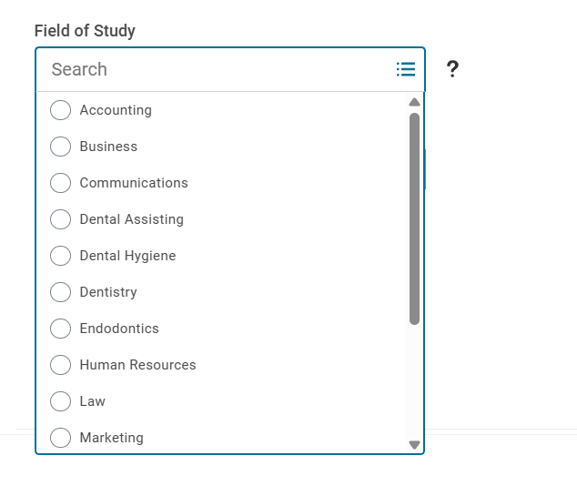

Skills functions just like the Education above with the schooling:


This is an example of a real life issue I found and decided to note my debugging in how to get around it. Issue with cite is Ancestry.com

Unable to view citation:
BLOT: I believe the JAVAScript is not parsing a title correctly, thus not throwing in a correct variable to allow a citation to be viewed.

Choosing to view the Cambridge University Alumni, 1261-1900 source and citation. Clicking on the view button gives me an error. | 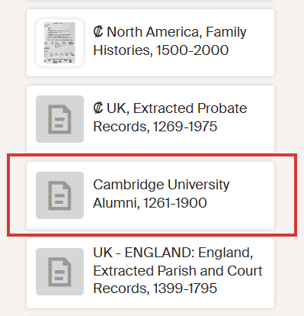

The error given to me is a Cannot read properties of undefined (reading 'mode'). error. Google search confirms my suspicion of null input. Noticed in the error message a link to "Fell.-Com. "
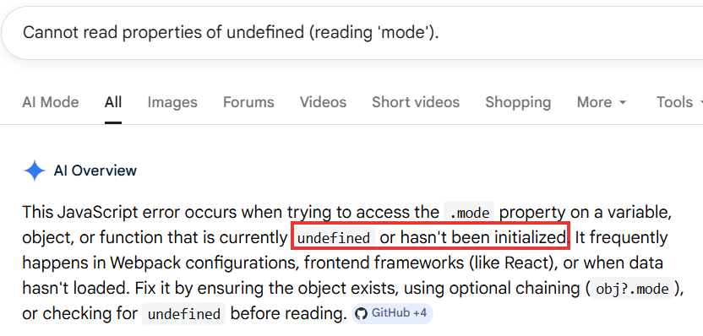
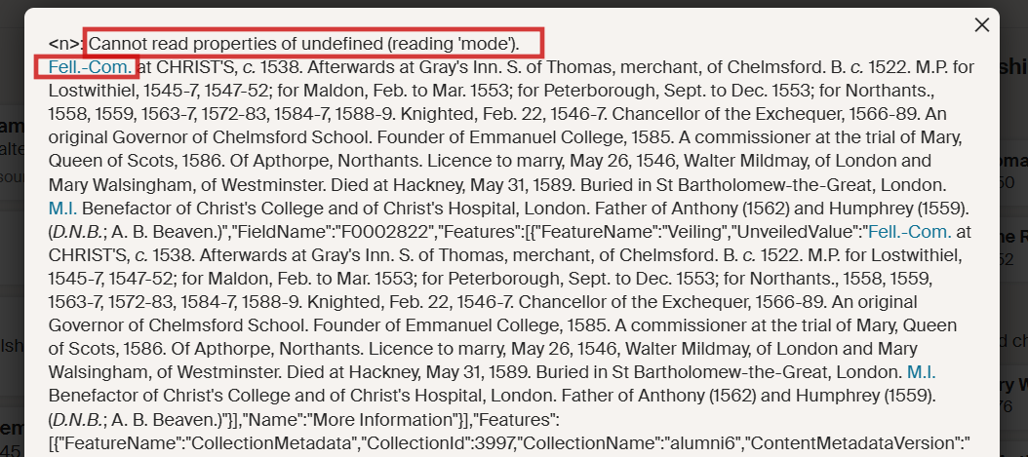

Clicked on the "Fell.-Com. " link. Link goes to https://www.ancestry.com/%22javascript:APop(p1,130,156);/%22 That link throws am Error 21.
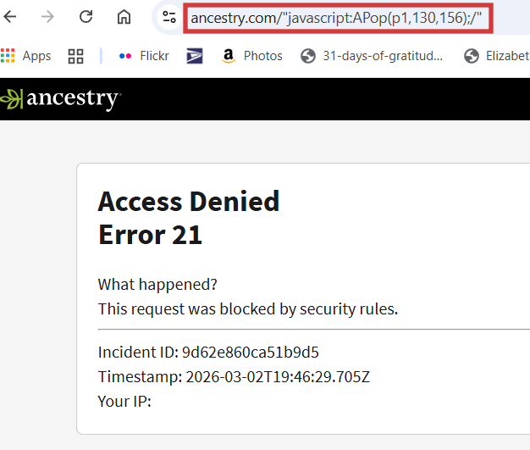

A Google search of "Fell.-Com. at CHRIST'S" pulled up a link to https://archive.org/stream/p1alumnicantabri02univuoft/p1alumnicantabri02univuoft_djvu.txt

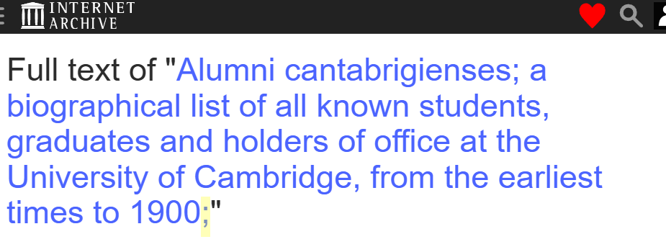

Highlighted is a semi-colon. This could be the root of the issue if the semi-colon is coded into the title.

